Sheet1
Year | Number of deals | Amount raised (£ million)
2011 | 7 | 12.2
2012 | 11 | 4.69
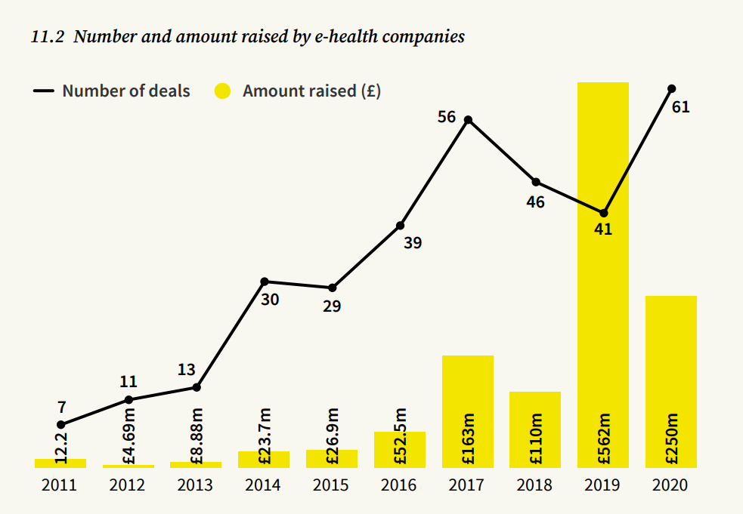
2013 | 13 | 8.88
2014 | 30 | 23.7
2015 | 29 | 26.9
2016 | 39 | 52.5
2017 | 56 | 163
2018 | 46 | 110
2019 | 41 | 562
2020 | 61 | 250

